Theory
Data>> Scale>>Covariance Matrix>> Eigen value>> descending order
1.Principal Component Analysis, or PCA, is a dimensionality-reduction method that is often used to reduce the dimensionality of large data sets, by transforming a large set of variables into a smaller one that still contains most of the information in the large set.
2.Standarization is much. Beause higher the varible value .ore it will impacting the the variance. Stndarization gives equal importance
3.Scale data(substract by mean and divide by SD)>> Covariance matrix [how much vriables are varying from therie mean.It also shows correlation between vriables. Cov(a,a)=var(a).
4.Eigenvectors and eigenvalues are the linear algebra concepts that we need to compute from the covariance matrix in order to determine the principal components of the data.
5. PCA biplot = PCA score plot + loading plot
6.Bottom axis: PC1 score. Left axis: PC2 score. Top axis: loadings on PC1. Right axis: loadings on PC2.
7.In other words, the left and bottom axes are of the PCA plot — use them to read PCA scores of the samples (dots). The top and right axes belong to the loading plot — use them to read how strongly each characteristic (vector) influence the principal components.
8.If we look at PCA more formally, it turns out that the PCA is based on a decomposition of the data matrix X into two matrices V and U:

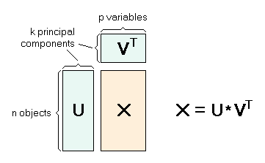

9.The two matrices V and U are orthogonal. The matrix V is usually called the loadings matrix, and the matrix U is called the scores matrix. The loadings can be understood as the weights for each original variable when calculating the principal component
10.The matrix U contains the original data in a rotated coordinate system.
11.The first column here shows coefficients of linear combination that defines principal component #1, and the second column shows coefficients for principal component #2….(Resut_prcomp)
volume_12 0.53149843 0.220642659 0.20117573 -0.03379647 -0.32995849 -0.135424359
history -0.07297494 -0.348736129 0.59753126 -0.71364314 0.08074451 0.014420865
adi -0.28822202 0.603868331 0.06649277 -0.19262367 0.27118774 -0.661213395
cov -0.25871733 0.627289911 0.12771841 -0.17971162 -0.17903455 0.677429759
seasonality 0.17392576 0.004967706 -0.73545132 -0.64722746 -0.09963490 0.002450009
value_12 0.49943642 0.151137274 0.01977674 -0.01120440 0.81253421 0.258828687
avgMonthlyVol 0.53149843 0.220642659

12>lets for ISBN1 my first PC1 is scale value of Volme12*o.53+Scaled value of history*-0.07+scaled value of adi *-0.28 and so
Z¹ = Φ¹¹X¹ + Φ²¹X² + Φ³¹X³ + .... +Φp¹Xp
13.Z¹ is first principal component Φp¹ is the loading vector comprising of loadings (Φ¹, Φ²..) of first principal component. The loadings are constrained to a sum of square equals to 1. This is because large magnitude of loadings may lead to large variance. It also defines the direction of the principal component (Z¹) along which data varies the most. It results in a line in p dimensional space which is closest to the n observations. Closeness is measured using average squared euclidean distance. X¹..Xp are normalized predictors. Normalized predictors have mean equals to zero and standard deviation equals to one.

3.The rotation measure provides the principal component loading. Each column of rotation matrix contains the principal component loading vector. This is the most important measure we should be interested in.It shows the wiegt of Variables and how this weight is getting calculated is shiwn below
6.3. In order to compute the principal component score vector, we don’t need to multiply the loading with data. Rather, the matrix x has the principal component score vectors in a 8523 × 44 dimension.

results of Prcomp
sdev | the standard deviations of the principal components (i.e., the square roots of the eigenvalues of the covariance/correlation matrix, though the calculation is actually done with the singular values of the data matrix).
rotation | the matrix of variable loadings (i.e., a matrix whose columns contain the eigenvectors). The function princomp returns this in the element loadings.
x | if retx is true the value of the rotated data (the centred (and scaled if requested) data multiplied by the rotation matrix) is returned. Hence, cov(x) is the diagonal matrix diag(sdev^2). For the formula method, napredict() is applied to handle the treatment of values omitted by the na.action.
center, scale | the centering and scaling used, or FALSE.
18.Correlation matrix of PCs are 0%

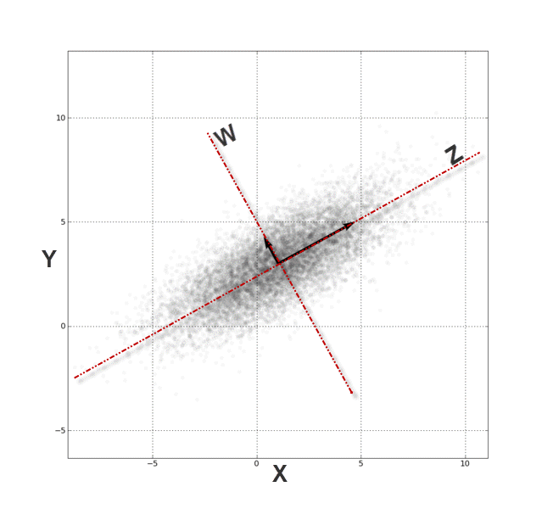

20.PCA is a technique that takes a set of correlated variables and linearly transforms those variables into a set of uncorrelated factors.
21.Simply put, from the (X, Y) Cartesian system, the data points are highly correlated. By transforming (rotating) the axis into (Z, W), the data points are no longer correlated. Where x and y are two predictors
22.the PCA finds that those transformations (of the axis) of data points will look uncorrelated with their respect.
23.To transform the data points from the (X, Y) Cartesian system to (Z, W), we need to compute the z and w values of each data point:
24.In effect, we are replacing the input variables (x_i,y_i) with those of (z_i,w_i). The values are ones we refer to as the principal components.

1. The principal components are ordered (and named) according to their variance in a descending order, i.e. PC(1) has the highest variance.
2. In the second row, the proportion statistics explain the percentage of variation in the original data set (5 variables combined) that each principal component captures or accounts for.
3. The cumulative proportion is a measure of total variation explained by the principal components up to this current component.

23.In the loading table, we outline the weights of a linear transformation from the input variable (standardized) coordinate system to the principal components.

The correlation between a variable and a PC is called loading.
24.If we plot Loading table for all the PCs we came to know the important variables also
25.Finally, computing the input variables back from the PC can be easily done by applying the weights in the row instead of the column. For example, the population factor is expressed as follows:

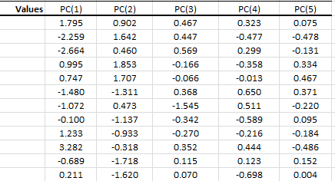

26.In the PC values table, we calculate the transformation output value for each dimension (i.e. component), so the 1st row corresponds to the 1st data point, and so on.
27.The variance of each column matches the value in the PCA statistics table. Using Excel, compute the biased version of the variance function (VARA).
By definition, the values in the PCs are uncorrelated. To verify, we can calculate the correlation matrix:

eigenvalue percentage of variance
comp 1 4.1242133 41.242133
comp 2 1.8385309 18.385309
comp 3 1.2391403 12.391403
comp 4 0.8194402 8.194402
comp 5 0.7015528 7.015528
comp 6 0.4228828 4.228828

